Shrubs and Perennials (2)
Current Availability for the Week of May 24, 2026
Order Date: |  |  |  | Purch. Order # :
Ship Date: |  |  |  | Terms:
Sales Rep: |  |  |  | Ship Via:
Customer Billing Address Information: |  |  |  | Customer Ship to Information:
Customer: |  |  |  | Customer:
Street: |  |  |  | Street:
City: |  |  |  | City:
State: |  |  |  | State:
Zip Code: |  |  |  | Zip Code:
Ordered by: |  |  |  | Ordered by:
Phone: |  |  |  | Phone:
Fax: |  |  |  | Fax:
Email: |  |  |  | Please order in Quantities of 5 or more Minimum order for Shipping $1500
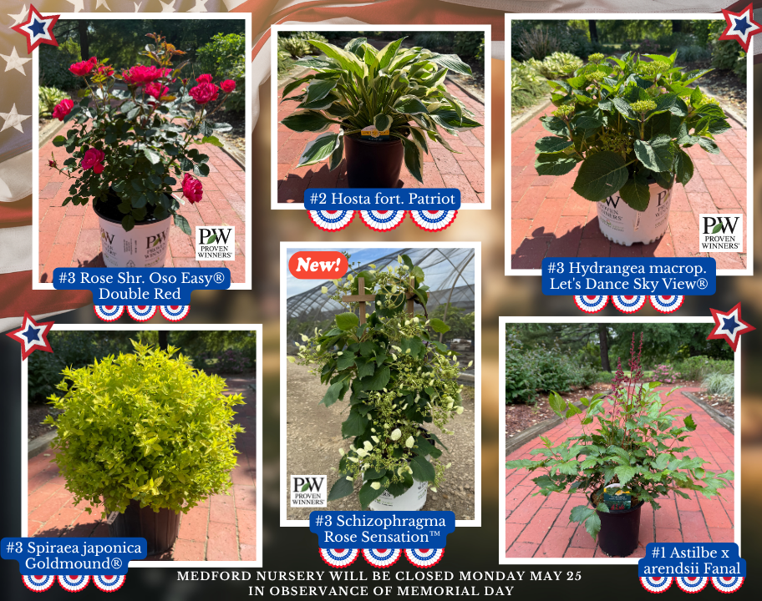

Click Here for Current Crop Photos from Medford Nursery on our NEW Website!
 | Available |  |  | Container Size | Catolog Price | Special Net Price | Weekly Comment | ExtPrice | UPCcode | ItemId
0 |  |  |  |  |  |  |  | $0.00
 |  | Grower's Choice
 | 3952 | Rose Assorted - Climbers, Hybrid Tea, Floribunda, Grandiflora |  | #3 |  |  | min of 25, grower's choice only | $0.00 | 732726033290 | RSEXXASSG03R01MED
 | 304 | Rose David Austin Assorted |  | #3 |  |  | min of 10, grower's choice only | $0.00 | 732726035058 | RSEDAASSG03R01MED
 | 100 | Rose M.T. 18" Assorted |  | #3 |  |  | min of 5, grower's choice only | $0.00 | 732726083097 | RSEMPTASSG03R01MED

 | 70 | Fragaria x ananassa Allstar | Strawberry | #1 |  |  | 3/4 pot, bud/bloom, berries | $0.00 | 732726097025 | FGAANAASAG01NSMED
 | 36 | Fragaria x ananassa Gasana | Strawberry | #1 |  |  | 3/4 pot, bud/bloom | $0.00 | 732726095533 | FGAANAGSAG01NSMED
 | 180 | Fragaria x ananassa Tristan | Strawberry | #1 |  |  | 3/4 pot, bud/bloom, berries | $0.00 | 732726095526 | FGAANATSAG01NSMED
 | 241 | Fragaria x Frisan Rosy Belle™ | Strawberry, B&B® | #1 |  |  | pot full, bud/bloom, berries | $0.00 | 732726095502 | FGAXXRYEG01NSMED
 | 308 | Rubus Baby Cakes® PP27032 | Blackberry, thornless, B&B® | #2 |  |  | bud/bloom | $0.00 | 732726086807 | RUBBBBYKG02NSMED
 | 116 | Rubus Raspberry ShortCake® PP22141 | Raspberry, B&B® | #2 |  |  | flushing | $0.00 | 732726086814 | RUBBBRPKG02NSMED
 | 75 | Rubus idaeus Boyne | Raspberry | #3 |  |  | budding | $0.00 | 732726095137 | RUBIDSBOYG03NSMED
 | 76 | Vaccinium corymbosum Bluecrop | Blueberry, Native | #3 |  |  | berries forming | $0.00 | 732726046849 | VCCCRBCRG03NSMED
 | 85 | Vaccinium corymbosum Jersey | Blueberry, Native | #3 |  |  | berries forming | $0.00 | 732726075016 | VCCCRJRSG03NSMED
 | 32 | Vaccinium corymbosum Pink Lemonade | Blueberry | #3 |  |  | pot full, berries | $0.00 | 732726076983 | VCCCRPLMG03NSMED
 | 834 | Vaccinium corymbosum Sunshine Blue | Blueberry | #3 |  |  | pot full, berries | $0.00 | 732726055988 | VCCCRSSUG03NSMED
 | 225 | Vitis labrusca Concord | Grape | #2 |  |  | 3/4 trellis | $0.00 | 732726095090 | VTSLBSCOOG02NSMED
 | 277 | Vitis labrusca Reliance | Grape | #2 |  |  | 3/4 trellis | $0.00 | 732726068568 | VTSLBSRLCG02NSMED
 |  | Shrubs |  |  |  |  |  | $0.00
 | 41 | Abelia mosanensis Tres Amigos® PP33457 | PW | #3 |  |  | 20" | $0.00 | 732726098879 | ABEMSNTAGG03NSMED
 | 326 | Aronia melan. Low Scape Snowfire® PP34116 | PW | #3 |  |  | passing bloom | $0.00 | 732726104068 | AONMLNLSWG03NSMED
 | 76 | Azalea Ev. Blaauw's Pink |  | #2 |  |  | 15" | $0.00 | 732726026780 | AZLEVBWPG02NSMED
 | 569 | Azalea Ev. Blaauw's Pink |  | #3 |  |  | 18-22" | $0.00 | 732726000360 | AZLEVBWPG03NSMED
 | 124 | Azalea Ev. Blaauw's Pink |  | #5 |  |  | passing bloom | $0.00 | 732726000438 | AZLEVBWPG05NSMED
 | 238 | Azalea Ev. Del. Val. White |  | #2 |  |  | 15" | $0.00 | 732726000674 | AZLEVDVWG02NSMED
 | 1092 | Azalea Ev. Del. Val. White |  | #3 |  |  | 18-22" | $0.00 | 732726000735 | AZLEVDVWG03NSMED
 | 1350 | Azalea Ev. Del. Val. White |  | #5 |  |  | passing bloom | $0.00 | 732726000780 | AZLEVDVWG05NSMED
 | 138 | Azalea Ev. Gir. Pleasant White |  | #2 |  |  | passing bloom | $0.00 | 732726001510 | AZLEVGPWG02NSMED
 | 822 | Azalea Ev. Gir. Pleasant White |  | #3 |  |  | passing bloom | $0.00 | 732726001589 | AZLEVGPWG03NSMED
 | 2589 | Azalea Ev. Gir. Pleasant White |  | #5 |  |  | bloom to passing | $0.00 | 732726044241 | AZLEVGPWG05NSMED
 | 46 | Azalea Ev. Girard Fuchsia |  | #2 |  |  | 15" | $0.00 | 732726040175 | AZLEVGFCG02NSMED
 | 711 | Azalea Ev. Girard Fuchsia |  | #3 |  |  | 18"+ | $0.00 | 732726000926 | AZLEVGFCG03NSMED
 | 784 | Azalea Ev. Girard Fuchsia |  | #5 |  |  | 24" | $0.00 | 732726046597 | AZLEVGFCG05NSMED
 | 843 | Azalea Ev. Girard Hot Shot |  | #3 |  |  | passing bloom | $0.00 | 732726001046 | AZLEVGHSG03NSMED
 | 476 | Azalea Ev. Girard's Crimson |  | #3 |  |  | passing bloom | $0.00 | 732726074477 | AZLEVGCRG03NSMED
 | 75 | Azalea Ev. Hino Crimson |  | #2 |  |  | 15" | $0.00 | 732726001732 | AZLEVHNCG02NSMED
 | 396 | Azalea Ev. Hino Crimson |  | #3 |  |  | 18-20" | $0.00 | 732726001787 | AZLEVHNCG03NSMED
 | 427 | Azalea Ev. Hino Crimson |  | #5 |  |  | 22-24" | $0.00 | 732726001831 | AZLEVHNCG05NSMED
 | 65 | Azalea Ev. Karen |  | #3 |  |  | passing bloom | $0.00 | 732726002227 | AZLEVKRNG03NSMED
 | 255 | Azalea Ev. Karen |  | #5 |  |  | 24" | $0.00 | 732726045354 | AZLEVKRNG05NSMED
 | 54 | Azalea Ev. Mother's Day |  | #2 |  |  | passing bloom | $0.00 | 732726045194 | AZLEVMTHG02NSMED
 | 230 | Azalea Ev. Poukhanense Compacta |  | #3 |  |  | 22" | $0.00 | 732726059429 | AZLEVPHCG03NSMED
 | 566 | Azalea Ev. Poukhanense Compacta |  | #5 |  |  | passing bloom | $0.00 | 732726058859 | AZLEVPHCG05NSMED
 | 942 | Azalea Ev. Purple Splendor |  | #5 |  |  | passing bloom | $0.00 | 732726044166 | AZLEVPSLG05NSMED
 | 132 | Azalea Ev. Stewartstonian |  | #2 |  |  | passing bloom | $0.00 | 732726002821 | AZLEVSWNG02NSMED
 | 644 | Azalea Ev. Stewartstonian |  | #3 |  |  | 18-20" | $0.00 | 732726002890 | AZLEVSWNG03NSMED
 | 487 | Azalea Ev. Stewartstonian |  | #5 |  |  | passing bloom | $0.00 | 732726002951 | AZLEVSWNG05NSMED
 | 150 | Azalea Ev. Tradition |  | #2 |  |  | passing bloom | $0.00 | 732726003217 | AZLEVTRDG02NSMED
 | 1590 | Azalea Ev. Tradition |  | #3 |  |  | 18-20" | $0.00 | 732726038752 | AZLEVTRDG03NSMED
 | 1517 | Azalea Ev. Tradition |  | #5 |  |  | passing bloom | $0.00 | 732726044609 | AZLEVTRDG05NSMED
 | 43 | Azalea Ex. Gibraltar |  | #5 |  |  | bloom to passing | $0.00 | 732726003699 | AZLEXGRBG05NSMED
 | 141 | Berb. th. Aurea |  | #2 |  |  | flushing | $0.00 | 732726046665 | BRBTHARAG02NSMED
 | 396 | Berb. th. Aurea |  | #3 |  |  | flushing | $0.00 | 732726038776 | BRBTHARAG03NSMED
 | 556 | Berb. WorryFree® Crimson Cutie® |  | #3 |  |  | flushing | $0.00 | 732726086784 | BRBXXWCCG03NSMED
 | 519 | Buddleia Birthday Cake® PPAF | BE | #3 |  |  | budded | $0.00 | 732726106284 | BDDXXBDCG03NSMED
 | 210 | Buddleia CranRazz™ PP25730 |  | #3 |  |  | budded | $0.00 | 732726084612 | BDDXXCZZG03NSMED
 | 111 | Buddleia dav. Black Knight |  | #3 |  |  | budded | $0.00 | 732726004542 | BDDDVBLNG03NSMED
 | 621 | Buddleia dav. Dapper® Lavender |  | #3 |  |  | budding | $0.00 | 732726103030 | BDDDVDPAG03NSMED
 | 230 | Buddleia dav. Dapper® White |  | #3 |  |  | budded | $0.00 | 732726103047 | BDDDVDETG03NSMED
 | 251 | Buddleia dav. Funky Fuchsia™ PP26278 | FE | #3 |  |  | budded | $0.00 | 732726099333 | BDDDVFYFG03NSMED
 | 300 | Buddleia dav. Groovy Grape™ PP26305 | FE | #3 |  |  | budding | $0.00 | 732726099340 | BDDDVGYGG03NSMED
 | 75 | Buddleia dav. Lo & Behold® Pink Micro Chip | PW | #2 |  |  | budded | $0.00 | 732726083516 | BDDDVPCCG02NSMED
 | 152 | Buddleia dav. Pink Delight |  | #3 |  |  | budding | $0.00 | 732726004597 | BDDDVPDLG03NSMED
 | 121 | Buddleia Little Rockstars Blue |  | #1 |  |  | budded | $0.00 | 732726106697 | BDDXXLRBG01NSMED
 | 94 | Buddleia Little Rockstars Pink |  | #1 |  |  | budded | $0.00 | 732726106710 | BDDXXLRPG01NSMED
 | 113 | Buddleia Little Rockstars Purple |  | #1 |  |  | budded | $0.00 | 732726106703 | BDDXXLRLG01NSMED
 | 84 | Buddleia Little Rockstars Red |  | #1 |  |  | budded | $0.00 | 732726106727 | BDDXXLRRG01NSMED
 | 251 | Buddleia Pugster Blue® PP28794 | PW | #3 |  |  | budding | $0.00 | 732726101500 | BDDXXPSBG03NSMED
...

