Shrubs and Perennials (2)
Current Availability for the Week of April 12, 2026
Order Date: |  |  |  | Purch. Order # :
Ship Date: |  |  |  | Terms:
Sales Rep: |  |  |  | Ship Via:
Customer Billing Address Information: |  |  |  | Customer Ship to Information:
Customer: |  |  |  | Customer:
Street: |  |  |  | Street:
City: |  |  |  | City:
State: |  |  |  | State:
Zip Code: |  |  |  | Zip Code:
Ordered by: |  |  |  | Ordered by:
Phone: |  |  |  | Phone:
Fax: |  |  |  | Fax:
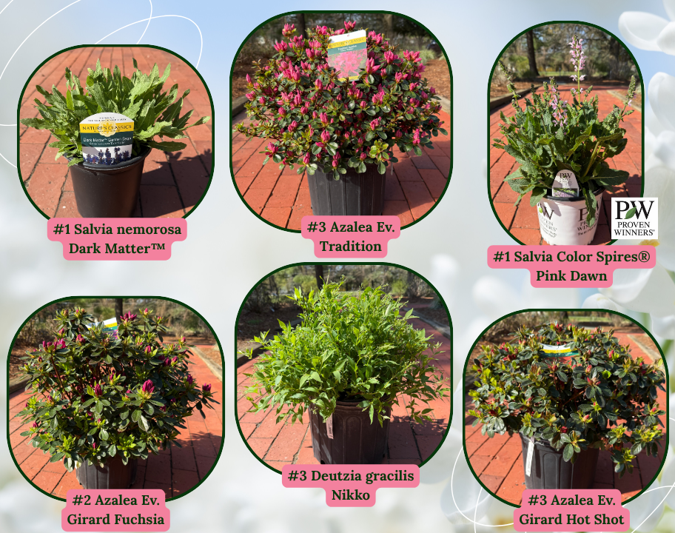
Email: |  |  |  | Please order in Quantities of 5 or more Minimum order for Shipping $1500

Current Crop Photos From Medford Nursery @ This Link

 | Available |  |  | Container Size | Catolog Price | Special Net Price | Weekly Comment | ExtPrice | UPCcode | ItemId
0 |  |  |  |  |  |  |  | $0.00
 |  | Fit to Eat
 | 22 | Apple Columnar Golden Sentinel™ |  | #5 |  |  | flushing | $0.00 | 732726099746 | APPCUMGSLG05NSMED
 | 26 | Apple Columnar Northpole |  | #5 |  |  | flushing | $0.00 | 732726107670 | APPCUMNPEG05NSMED
 | 10 | Apple Columnar Scarlet Sentinel™ |  | #5 |  |  | flushing | $0.00 | 732726099753 | APPCUMSAIG05NSMED
 | 57 | Apple Semi-Dwarf Jonagold |  | #5 |  |  | flushing | $0.00 | 732726096790 | APPSDJNGG05NSMED
 | 35 | Apple Semi-Dwarf Northern Spy |  | #5 |  |  | flushing | $0.00 | 732726102064 | APPSDNRSG05NSMED
 | 26 | Apple Semi-Dwarf Red Delicious |  | #5 |  |  | flushing | $0.00 | 732726077607 | APPSDDLSG05NSMED
 | 33 | Apple Semi-Dwarf Snow Famuse |  | #5 |  |  | flushing | $0.00 | 732726102125 | APPSDFAEG05NSMED
 | 46 | Apple Semi-Dwarf Spartan |  | #5 |  |  | flushing | $0.00 | 732726102071 | APPSDSPRG05NSMED
 | 28 | Apricot Semi-Dwarf Moorpark |  | #5 |  |  | flushing | $0.00 | 732726077669 | APRSDMRPG05NSMED
 | 40 | Apricot Semi-Dwarf Puget Gold |  | #5 |  |  | flushing | $0.00 | 732726091658 | APRSDPUGG05NSMED
 | 47 | Cherry Semi-Dwarf Black Republican |  | #5 |  |  | flushing | $0.00 | 732726107687 | CHRSDBKUG05NSMED
 | 29 | Cherry Semi-Dwarf Black Tartarian (sweet) |  | #5 |  |  | flushing | $0.00 | 732726077683 | CHRSDBLTG05NSMED
 | 47 | Cherry Semi-Dwarf Lapins |  | #5 |  |  | flushing | $0.00 | 732726102088 | CHRSDLAPG05NSMED
 | 17 | Cherry Semi-Dwarf Sweetheart (sweet) |  | #5 |  |  | flushing | $0.00 | 732726088283 | CHRSDSTHG05NSMED
 | 179 | Fragaria x ananassa Gasana | Strawberry | #1 |  |  | 3/4 pot, budding | $0.00 | 732726095533 | FGAANAGSAG01NSMED
 | 375 | Fragaria x Frisan Rosy Belle™ | Strawberry, B&B® | #1 |  |  | 3/4 pot, budding | $0.00 | 732726095502 | FGAXXRYEG01NSMED
 | 12 | Nectarine Semi-Dwarf Fantasia |  | #5 |  |  | flushing | $0.00 | 732726096851 | NCTSDFNTG05NSMED
 | 20 | Nectarine Semi-Dwarf Flavortop |  | #5 |  |  | flushing | $0.00 | 732726102095 | NCTSDFVTG05NSMED
 | 15 | Nectarine Semi-Dwarf Goldmine |  | #5 |  |  | flushing | $0.00 | 732726104631 | NCTSDGDXG05NSMED
 | 10 | Nectarine Semi-Dwarf Red Gold |  | #5 |  |  | flushing | $0.00 | 732726107694 | NCTSDRGDG05NSMED
 | 27 | Plum Semi-Dwarf Burbank |  | #5 |  |  | flushing | $0.00 | 732726077744 | PLMSDBURG05NSMED
 | 58 | Plum Semi-Dwarf French Petite |  | #5 |  |  | flushing | $0.00 | 732726088337 | PLMSDFCPG05NSMED
 | 29 | Plum Semi-Dwarf Methley |  | #5 |  |  | flushing | $0.00 | 732726096936 | PLMSDMTEG05NSMED
 | 22 | Plum Semi-Dwarf Satsuma |  | #5 |  |  | flushing | $0.00 | 732726096943 | PLMSDPUMG05NSMED
 | 17 | Plum Semi-Dwarf Stanley Prune |  | #5 |  |  | flushing | $0.00 | 732726077768 | PLMSDSTNG05NSMED
 | 532 | Rubus Baby Cakes® PP27032 | Blackberry, thornless, B&B® | #2 |  |  | flushing | $0.00 | 732726086807 | RUBBBBYKG02NSMED
 | 353 | Rubus Raspberry ShortCake® PP22141 | Raspberry, Bushel and Berry® | #2 |  |  | flushing | $0.00 | 732726086814 | RUBBBRPKG02NSMED
 | 196 | Rubus Taste of Heaven® PP33330 | PW, Blackberry, thornless | #2 |  |  | flushing | $0.00 | 732726102057 | RUBXXTOHG02NSMED
 | 68 | Rubus Navaho | Blackberry, thornless | #3 |  |  | flushing | $0.00 | 732726101272 | RUBBBNVHG03NSMED
 | 236 | Rubus idaeus Boyne | Raspberry | #3 |  |  | flushing | $0.00 | 732726095137 | RUBIDSBOYG03NSMED
 | 21 | Rubus idaeus Heritage | Raspberry | #3 |  |  | flushing | $0.00 | 732726095144 | RUBIDSHRTG03NSMED
 | 572 | Vaccinium Berrybux® PP25467 | Blueberry, Bushel and Berry® | #2 |  |  | flushing, budded | $0.00 | 732726095052 | VCCBBBBXG02NSMED
 | 86 | Vaccinium Blueberry Buckle® PP22521 | Blueberry, Bushel and Berry® | #2 |  |  | flushing | $0.00 | 732726086821 | VCCBBBUBG02NSMED
 | 478 | Vaccinium Jelly Bean® PP24662 | Blueberry, Bushel and Berry® | #2 |  |  | flushing, budded | $0.00 | 732726086838 | VCCBBJLBG02NSMED
 | 364 | Vaccinium Peach Sorbet® PP23325 | Blueberry, Bushel and Berry® | #2 |  |  | tip pruned | $0.00 | 732726086845 | VCCBBPCBG02NSMED
 | 141 | Vaccinium Perpetua PP24209 | Blueberry, Bushel and Berry® | #2 |  |  | budding | $0.00 | 732726086852 | VCCBBPEUG02NSMED
 | 322 | Vaccinium Pink Icing® PP23336 | Blueberry, Bushel and Berry® | #2 |  |  | flushing | $0.00 | 732726095113 | VCCBBPIGG02NSMED
 | 275 | Vaccinium Silver Dollar® PP32184 | Blueberry, Bushel and Berry® | #2 |  |  | flushing | $0.00 | 732726095120 | VCCBBSIDG02NSMED
 | 398 | Vaccinium angustifolium | Blueberry, Native | #2 |  |  | flushing, budded | $0.00 | 732726105850 | VCCAGSXXXG02NSMED
 | 38 | Vaccinium corymbosum Bluecrop | Blueberry, Native | #3 |  |  | flushing | $0.00 | 732726046849 | VCCCRBCRG03NSMED
 | 339 | Vaccinium corymbosum Jersey | Blueberry, Native | #3 |  |  | flushing, budded | $0.00 | 732726075016 | VCCCRJRSG03NSMED
 | 958 | Vaccinium corymbosum Sunshine Blue | Blueberry | #3 |  |  | flushing | $0.00 | 732726055988 | VCCCRSSUG03NSMED
 |  | Shrubs |  |  |  |  |  | $0.00
 | 188 | Azalea Ev. Blaauw's Pink |  | #2 |  |  | 15-18" | $0.00 | 732726026780 | AZLEVBWPG02NSMED
 | 734 | Azalea Ev. Blaauw's Pink |  | #3 |  |  | 18" | $0.00 | 732726000360 | AZLEVBWPG03NSMED
 | 138 | Azalea Ev. Blaauw's Pink |  | #5 |  |  | budded | $0.00 | 732726000438 | AZLEVBWPG05NSMED
 | 287 | Azalea Ev. Del. Val. White |  | #2 |  |  | bud/bloom | $0.00 | 732726000674 | AZLEVDVWG02NSMED
 | 973 | Azalea Ev. Del. Val. White |  | #3 |  |  | bud/bloom | $0.00 | 732726000735 | AZLEVDVWG03NSMED
 | 362 | Azalea Ev. Gir. Pleasant White |  | #2 |  |  | 15-18" | $0.00 | 732726001510 | AZLEVGPWG02NSMED
 | 1229 | Azalea Ev. Gir. Pleasant White |  | #3 |  |  | 18" | $0.00 | 732726001589 | AZLEVGPWG03NSMED
 | 1485 | Azalea Ev. Gir. Pleasant White |  | #5 |  |  | budding | $0.00 | 732726044241 | AZLEVGPWG05NSMED
 | 435 | Azalea Ev. Girard Fuchsia |  | #2 |  |  | bud/bloom | $0.00 | 732726040175 | AZLEVGFCG02NSMED
 | 785 | Azalea Ev. Girard Fuchsia |  | #3 |  |  | bud/bloom | $0.00 | 732726000926 | AZLEVGFCG03NSMED
 | 20 | Azalea Ev. Girard Fuchsia |  | #5 |  |  | bud/bloom | $0.00 | 732726046597 | AZLEVGFCG05NSMED
 | 95 | Azalea Ev. Girard Hot Shot |  | #2 |  |  | bud/bloom | $0.00 | 732726000995 | AZLEVGHSG02NSMED
 | 1023 | Azalea Ev. Girard Hot Shot |  | #3 |  |  | bud/bloom | $0.00 | 732726001046 | AZLEVGHSG03NSMED
 | 877 | Azalea Ev. Girard's Crimson |  | #3 |  |  | bud/bloom | $0.00 | 732726074477 | AZLEVGCRG03NSMED
 | 196 | Azalea Ev. Hino Crimson |  | #2 |  |  | bud/bloom | $0.00 | 732726001732 | AZLEVHNCG02NSMED
 | 356 | Azalea Ev. Hino Crimson |  | #5 |  |  | 20-22" | $0.00 | 732726001831 | AZLEVHNCG05NSMED
 | 37 | Azalea Ev. Karen |  | #3 |  |  | bud/bloom | $0.00 | 732726002227 | AZLEVKRNG03NSMED
 | 28 | Azalea Ev. Karen |  | #5 |  |  | bud/bloom | $0.00 | 732726045354 | AZLEVKRNG05NSMED
 | 133 | Azalea Ev. Mother's Day |  | #2 |  |  | 15-18" | $0.00 | 732726045194 | AZLEVMTHG02NSMED
 | 235 | Azalea Ev. Poukhanense Compacta |  | #3 |  |  | bud/bloom | $0.00 | 732726059429 | AZLEVPHCG03NSMED
 | 214 | Azalea Ev. Purple Splendor |  | #3 |  |  | bud/bloom | $0.00 | 732726002579 | AZLEVPSLG03NSMED
...

