Shrubs and Perennials (2)
Current Availability for the Week of April 5, 2026
Order Date: |  |  |  | Purch. Order # :
Ship Date: |  |  |  | Terms:
Sales Rep: |  |  |  | Ship Via:
Customer Billing Address Information: |  |  |  | Customer Ship to Information:
Customer: |  |  |  | Customer:
Street: |  |  |  | Street:
City: |  |  |  | City:
State: |  |  |  | State:
Zip Code: |  |  |  | Zip Code:
Ordered by: |  |  |  | Ordered by:
Phone: |  |  |  | Phone:
Fax: |  |  |  | Fax:
Email: |  |  |  | Please order in Quantities of 5 or more Minimum order for Shipping $1500
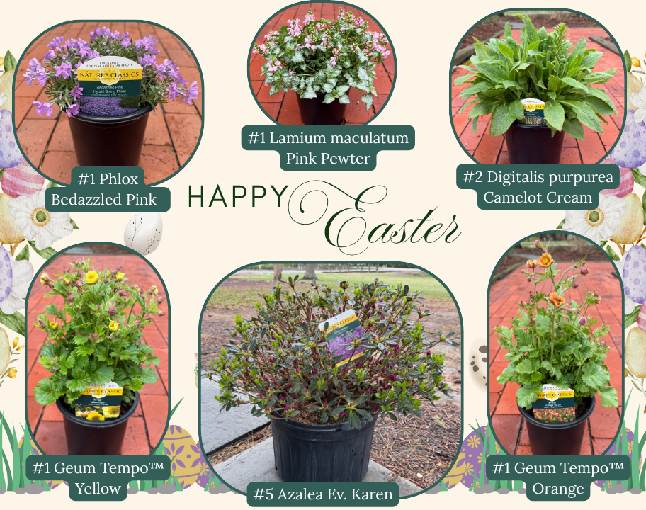

Current Plant Photos From Medford Nursery @ This Link or follow the QR code

 | Available |  |  | Container Size | Catolog Price | Special Net Price | Weekly Comment | ExtPrice | UPCcode | ItemId
0 |  |  |  |  |  |  |  | $0.00
 |  | Fit to Eat
 | 28 | Apple Columnar Golden Sentinel™ |  | #5 |  |  | flushing | $0.00 | 732726099746 | APPCUMGSLG05NSMED
 | 32 | Apple Columnar Northpole |  | #5 |  |  | flushing | $0.00 | 732726107670 | APPCUMNPEG05NSMED
 | 24 | Apple Columnar Scarlet Sentinel™ |  | #5 |  |  | flushing | $0.00 | 732726099753 | APPCUMSAIG05NSMED
 | 17 | Apple Semi-Dwarf Braeburn |  | #5 |  |  | flushing | $0.00 | 732726096783 | APPSDBRBG05NSMED
 | 10 | Apple Semi-Dwarf Fuji |  | #5 |  |  | flushing | $0.00 | 732726078079 | APPSDFUJG05NSMED
 | 60 | Apple Semi-Dwarf Jonagold |  | #5 |  |  | flushing | $0.00 | 732726096790 | APPSDJNGG05NSMED
 | 23 | Apple Semi-Dwarf McIntosh |  | #5 |  |  | flushing | $0.00 | 732726077652 | APPSDMCNG05NSMED
 | 55 | Apple Semi-Dwarf Northern Spy |  | #5 |  |  | flushing | $0.00 | 732726102064 | APPSDNRSG05NSMED
 | 55 | Apple Semi-Dwarf Red Delicious |  | #5 |  |  | flushing | $0.00 | 732726077607 | APPSDDLSG05NSMED
 | 49 | Apple Semi-Dwarf Snow Famuse |  | #5 |  |  | flushing | $0.00 | 732726102125 | APPSDFAEG05NSMED
 | 60 | Apple Semi-Dwarf Spartan |  | #5 |  |  | flushing | $0.00 | 732726102071 | APPSDSPRG05NSMED
 | 19 | Apple Semi-Dwarf Yellow Delicious |  | #5 |  |  | flushing | $0.00 | 732726077614 | APPSDDLYG05NSMED
 | 46 | Apricot Semi-Dwarf Moorpark |  | #5 |  |  | flushing | $0.00 | 732726077669 | APRSDMRPG05NSMED
 | 43 | Apricot Semi-Dwarf Puget Gold |  | #5 |  |  | flushing | $0.00 | 732726091658 | APRSDPUGG05NSMED
 | 17 | Apricot Semi-Dwarf Tilton |  | #5 |  |  | flushing | $0.00 | 732726091665 | APRSDTILG05NSMED
 | 23 | Cherry Semi-Dwarf Bing (sweet) |  | #5 |  |  | flushing | $0.00 | 732726077676 | CHRSDBING05NSMED
 | 47 | Cherry Semi-Dwarf Black Republican |  | #5 |  |  | flushing | $0.00 | 732726107687 | CHRSDBKUG05NSMED
 | 58 | Cherry Semi-Dwarf Black Tartarian (sweet) |  | #5 |  |  | flushing | $0.00 | 732726077683 | CHRSDBLTG05NSMED
 | 55 | Cherry Semi-Dwarf Lapins |  | #5 |  |  | flushing | $0.00 | 732726102088 | CHRSDLAPG05NSMED
 | 10 | Cherry Semi-Dwarf Rainier (sweet) |  | #5 |  |  | flushing | $0.00 | 732726099784 | CHRSDRANG05NSMED
 | 37 | Cherry Semi-Dwarf Sweetheart (sweet) |  | #5 |  |  | flushing | $0.00 | 732726088283 | CHRSDSTHG05NSMED
 | 25 | Nectarine Semi-Dwarf Fantasia |  | #5 |  |  | flushing | $0.00 | 732726096851 | NCTSDFNTG05NSMED
 | 25 | Nectarine Semi-Dwarf Flavortop |  | #5 |  |  | flushing | $0.00 | 732726102095 | NCTSDFVTG05NSMED
 | 27 | Nectarine Semi-Dwarf Goldmine |  | #5 |  |  | flushing | $0.00 | 732726104631 | NCTSDGDXG05NSMED
 | 18 | Nectarine Semi-Dwarf Red Gold |  | #5 |  |  | flushing | $0.00 | 732726107694 | NCTSDRGDG05NSMED
 | 41 | Pear Semi-Dwarf Clapps Favorite |  | #5 |  |  | flushing | $0.00 | 732726096899 | PERSDCFVG05NSMED
 | 29 | Plum Semi-Dwarf Burbank |  | #5 |  |  | flushing | $0.00 | 732726077744 | PLMSDBURG05NSMED
 | 58 | Plum Semi-Dwarf French Petite |  | #5 |  |  | flushing | $0.00 | 732726088337 | PLMSDFCPG05NSMED
 | 9 | Plum Semi-Dwarf Hollywood |  | #5 |  |  | flushing | $0.00 | 732726091740 | PLMSDHYWG05NSMED
 | 31 | Plum Semi-Dwarf Methley |  | #5 |  |  | flushing | $0.00 | 732726096936 | PLMSDMTEG05NSMED
 | 28 | Plum Semi-Dwarf Satsuma |  | #5 |  |  | flushing | $0.00 | 732726096943 | PLMSDPUMG05NSMED
 | 43 | Plum Semi-Dwarf Stanley Prune |  | #5 |  |  | flushing | $0.00 | 732726077768 | PLMSDSTNG05NSMED
 | 559 | Rubus Baby Cakes® PP27032 | Blackberry, thornless, B&B® | #2 |  |  | flushing | $0.00 | 732726086807 | RUBBBBYKG02NSMED
 | 393 | Rubus Raspberry ShortCake® PP22141 | Raspberry, Bushel and Berry® | #2 |  |  | flushing | $0.00 | 732726086814 | RUBBBRPKG02NSMED
 | 211 | Rubus Taste of Heaven® PP33330 | PW, Blackberry, thornless | #2 |  |  | flushing | $0.00 | 732726102057 | RUBXXTOHG02NSMED
 | 75 | Rubus Navaho | Blackberry, thornless | #3 |  |  | flushing | $0.00 | 732726101272 | RUBBBNVHG03NSMED
 | 248 | Rubus idaeus Boyne | Raspberry | #3 |  |  | flushing | $0.00 | 732726095137 | RUBIDSBOYG03NSMED
 | 57 | Rubus idaeus Heritage | Raspberry | #3 |  |  | flushing | $0.00 | 732726095144 | RUBIDSHRTG03NSMED
 | 587 | Vaccinium Berrybux® PP25467 | Blueberry, Bushel and Berry® | #2 |  |  | flushing, budded | $0.00 | 732726095052 | VCCBBBBXG02NSMED
 | 106 | Vaccinium Blueberry Buckle® PP22521 | Blueberry, Bushel and Berry® | #2 |  |  | flushing | $0.00 | 732726086821 | VCCBBBUBG02NSMED
 | 488 | Vaccinium Jelly Bean® PP24662 | Blueberry, Bushel and Berry® | #2 |  |  | flushing | $0.00 | 732726086838 | VCCBBJLBG02NSMED
 | 364 | Vaccinium Peach Sorbet® PP23325 | Blueberry, Bushel and Berry® | #2 |  |  | tip pruned | $0.00 | 732726086845 | VCCBBPCBG02NSMED
 | 141 | Vaccinium Perpetua PP24209 | Blueberry, Bushel and Berry® | #2 |  |  | budding | $0.00 | 732726086852 | VCCBBPEUG02NSMED
 | 339 | Vaccinium Pink Icing® PP23336 | Blueberry, Bushel and Berry® | #2 |  |  | flushing | $0.00 | 732726095113 | VCCBBPIGG02NSMED
 | 290 | Vaccinium Silver Dollar® PP32184 | Blueberry, Bushel and Berry® | #2 |  |  | flushing | $0.00 | 732726095120 | VCCBBSIDG02NSMED
 | 423 | Vaccinium angustifolium | Blueberry, Native | #2 |  |  | flushing, budded | $0.00 | 732726105850 | VCCAGSXXXG02NSMED
 | 63 | Vaccinium corymbosum Bluecrop | Blueberry, Native | #3 |  |  | flushing | $0.00 | 732726046849 | VCCCRBCRG03NSMED
 | 364 | Vaccinium corymbosum Jersey | Blueberry, Native | #3 |  |  | flushing | $0.00 | 732726075016 | VCCCRJRSG03NSMED
 | 976 | Vaccinium corymbosum Sunshine Blue | Blueberry | #3 |  |  | flushing | $0.00 | 732726055988 | VCCCRSSUG03NSMED
 |  | Shrubs |  |  |  |  |  | $0.00
 | 207 | Azalea Ev. Blaauw's Pink |  | #2 |  |  | 15-18", budded | $0.00 | 732726026780 | AZLEVBWPG02NSMED
 | 854 | Azalea Ev. Blaauw's Pink |  | #3 |  |  | 18", budded | $0.00 | 732726000360 | AZLEVBWPG03NSMED
 | 93 | Azalea Ev. Blaauw's Pink |  | #5 |  |  | budded | $0.00 | 732726000438 | AZLEVBWPG05NSMED
 | 322 | Azalea Ev. Del. Val. White |  | #2 |  |  | 15-18", budded | $0.00 | 732726000674 | AZLEVDVWG02NSMED
 | 978 | Azalea Ev. Del. Val. White |  | #3 |  |  | 18", budded | $0.00 | 732726000735 | AZLEVDVWG03NSMED
 | 107 | Azalea Ev. Del. Val. White |  | #5 |  |  | bud/bloom | $0.00 | 732726000780 | AZLEVDVWG05NSMED
 | 372 | Azalea Ev. Gir. Pleasant White |  | #2 |  |  | 15-18", budded | $0.00 | 732726001510 | AZLEVGPWG02NSMED
 | 1244 | Azalea Ev. Gir. Pleasant White |  | #3 |  |  | 18", budded | $0.00 | 732726001589 | AZLEVGPWG03NSMED
 | 1643 | Azalea Ev. Gir. Pleasant White |  | #5 |  |  | budded | $0.00 | 732726044241 | AZLEVGPWG05NSMED
 | 468 | Azalea Ev. Girard Fuchsia |  | #2 |  |  | 15-18", budded | $0.00 | 732726040175 | AZLEVGFCG02NSMED
 | 800 | Azalea Ev. Girard Fuchsia |  | #3 |  |  | 18", budded | $0.00 | 732726000926 | AZLEVGFCG03NSMED
 | 116 | Azalea Ev. Girard Hot Shot |  | #2 |  |  | 15-18", budded | $0.00 | 732726000995 | AZLEVGHSG02NSMED
 | 1063 | Azalea Ev. Girard Hot Shot |  | #3 |  |  | 18", budded | $0.00 | 732726001046 | AZLEVGHSG03NSMED
...

